Sheet1
CAC: Cost of Acquisition.
CAC Trend: as your budget grows, your CAC will tend to increase, and you should account for that in your model.
Max/Min CAC: maximum and minimum Cost of Acquisition.
Marketing Budget: The estimated marketing spend for a given month (this data is imported from the SG&A spreadhseet).
Marketing Budget Scale: how much is the budget climbing month over month; this is usually a percentage increase.
Churn Rate: expected cancellations every month.
Marketing Budget x CAC = New MRR
Monthly MRR = Previous month MRR + New MRR - Churned MRR

Constar
Freemium Model - Consistent small churn rate of 2%mom
Premium SaaS Model - Payment for registration and validation in the respective public entities of legal documents Payment per outsourced legal formality
Every week 1 new client
CAC = 2000 Euros
ACV = 15000 Euros
Payback period on CAC between 2-3 months
Marlet Size 2,5M Corporate Law Processes (per year)
SOM 200 Million Euros per year
SAM 750 Million Euros per Year

Business Metrics
Sales Growth 15% / month
MRR 120.000 Euros in December 2019
Churn Rate 2%
ACV 15000 Euros
CAC 2000 Euros

Raising Cash 4M Euros

KPI 1: Cash Burn Rate & Runway
cash flow projection.

KPI 2: Accurate ARR Composition (requires sound revenue recognition)

Getting a clear picture of Annual Recurring Revenue (ARR) through accurate revenue recognition is one of the trickiest parts of SaaS accounting.

It's so tricky, in fact, that second-time SaaS founders often say that it's the top item they will nail in their second go round. Accurate ARR is one of the first things a potential buyer or VC will look into, and problems here often lead to severe devaluation or even a buyer walking away from the table.

Accurate ARR is one of the critical metrics where revenue recognition comes into play. Revenue recognition is one of the primary building blocks of SaaS metrics. If you fail to track your firm's revenue accurately, the other metrics just don't follow.

Revenue recognition means matching revenue with the period in which it was earned. This is difficult in SaaS because you often have customers paying for services before they are delivered, and those time differences can vary from customer to customer. You may have some customers paying three months ahead and some on three-year plans with annual advanced payments.

Revenue recognition normalizes bookings across a period. Properly recognized revenue provides visibility into your revenue composition which is required if you want to know where to focus to optimize it.

Well-managed recurring revenue businesses have the potential to fetch huge valuations. Therefore, ARR is one of the biggest drivers of valuation, but you have to get it right.

It is possible to track revenue in a spreadsheet early on, but it quickly gets to a point where complexity leads to inefficiency and human error. Reporting is very limited, and cohort analysis and other types of segmentation just aren't practical.

So, again, a spreadsheet may be fine for a short period, but you'll want to check out a solution like SaaSOptics to get accurate financials while you're still in the product/market fit stage.

FYI, private companies will have to follow new Revenue recognition guidelines beginning in 2019.

KPI 3: Renewal Rate (Churn)

Also referred to as the customer retention rate (CRC) or simply “the renewal rate,” churn measures the contract value for customers who have stopped paying for your product or service.

SaaS businesses rely on repeat customers. As opposed to other industries like retail, it's not enough to get a customer to buy one time. If you can't get them to continue buying, you haven't achieved product/market fit.

When you confirm that you have customers renewing by tracking the renewal rate SaaS metric, you know you've found the right pool of customers and that you're delivering something valuable. Then, you can begin to work on profitability and scaling.

Ensure your customers are renewing and that the addressable market is sufficiently sized. In other words, ensure there are plenty of companies like your existing customers who you can reach. One important note is not to count customers sold by the founder. The founder usually has a greater ability to sell the service than an average salesperson would and may have found some out-of-the-ordinary customers (early adopters) to sell to. Instead, only count average customers who have been sold to by average salespeople in your renewal rate analysis.

New customers, Lost customers (churn), Total number of active customers

New trials and trial-to-paid conversion rate

Churn rate, i.e. how many users unsubscribe each month

Monthly Recurring Revenue, or MRR, i.e. total amount of cash being generated with subscriptions

Lifetime revenue per client and Average lifetime of customer in months
Calculate your own average revenue per client. You might have several plans, so calculate the average between them for the beginning.

Ideally, you should know the % of how much MRR each plan generates.

Keep your eye on all the rows highlighted with blue.

If you know the CPA for each client, compare it with Lifetime revenue per client and check if the latter is higher.

If some users upgrade or downgrade between plans, add Expansion and Contraction MRR metrics yourself. It is actually the amount you earned or lost after a user has changed plans and it affects your MRR too.

The only required template is the Operating Model. This is a monthly view of three financial statements of your Profit and Loss, Balance Sheet and Cash Flow Statement.

Let’s walk through a more concrete example.
Imagine that, of the 30 new customers a month, three are pre-paying for their annual plan in October. This is now $63,000 (27 x $1,000 + 3 x $12,000) cash coming in. If this continues with six new annual customers in November, and nine in December – the company is suddenly cash flow positive even though they are still making losses on their Profit and Loss statement.
Many companies I’ve seen attempt some sort of of internal, custom calculation for figuring out the cash impact on their business. Even the 1.0 financial model used a similar, simplified way, but this is really only suited for cash-based accounting for very small companies.
For more established companies, the standard and widely-understood method for forecasting cash from annual payments is to forecast Deferred Revenue. The challenge is that I have never met a CEO or a founder who “gets” the deferred revenue upon first walk-through. This isn’t to say startup finance folks are some kind of geniuses, far from it, but rather to highlight that there are many moving pieces you need to keep tabs on.
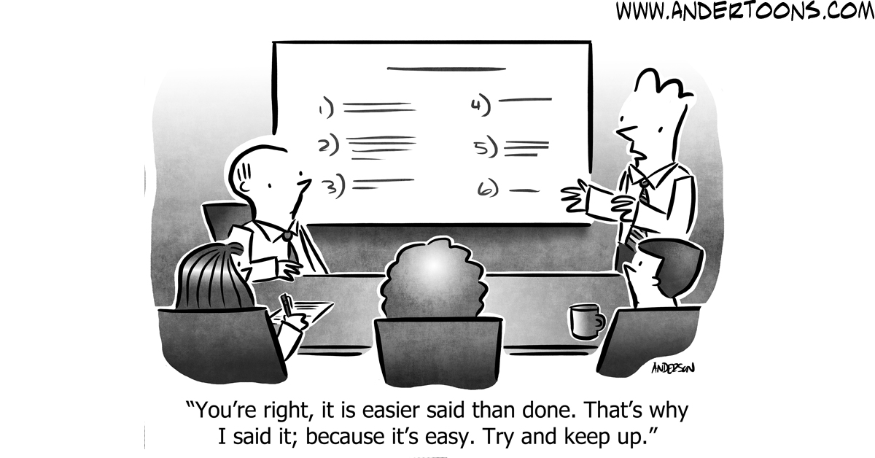

Here’s another go. Keep in mind this is still a simplified example, as Southeast Inc. is only beginning to sell annual plans – they don’t have any renewals or existing annual customers to worry about. If this still feels confusing, rest assured that if you have followed the instructions, the model calculates the cash impact for you automatically (from new customers, that is).
Please let me know in the comments or on Twitter what’s unclear, and I’ll attempt to clarify.
First, forget debits and credits, and let’s remind ourselves what we know already: revenue doesn’t equal the amount of cash coming in each from October onwards (that’s when the annual plans are introduced).
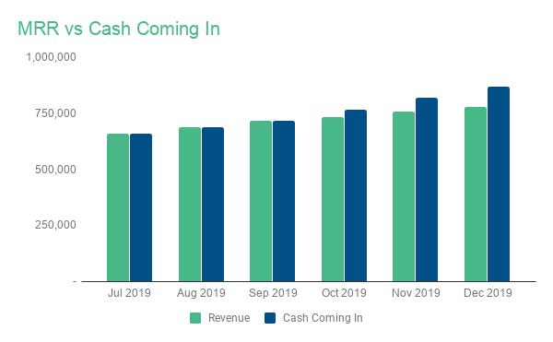

We already know what the revenue forecast is. So to get to the cash, we should think of it as making adjustments to the revenue. And to get to these adjustments, we first need to forecast our deferred revenue balance.
Deferred Revenue represents the balance of customer prepayments that are not fully earned yet. Imagine a business where a customer paid $12,000 for a 12 month subscription on January 1st, but the business went out of business in March 31. The business still owes the customer nine months of service, or 9 x $1,000 = $9,000, which is also the deferred revenue balance.

Reporting Models
As the name suggests, Reporting Models pull data from elsewhere in your model and present it in a more digestible format. The goal is to create summary tabs that give you a high-level overview of what’s happening with the business, enabling you to do deeper dives on areas that require attention.
You could even create a reporting tab specific to your team or investors, and share that on a separate workbook using the IMPORTRANGE functionality we discussed earlier.
Metrics
I like to think of metrics as sanity checks on the sustainability of the business. Is my Customer Lifetime Value high enough compared to my Customer Acquisition Cost to continue investing in Sales & Marketing? If not, what needs to change? Or if I’m making 80% gross margins right now, but the forecast says it’s decreasing to 70% in six months, do I understand why?
In contrast, I’m not a huge fan of using metrics to benchmark your company against the average startup. I often get asked questions along the lines of “What’s a good CAC payback time?” and my go-to response is the ever-boring “it depends.” For this specific question, it depends on the company’s capital position and appetite for risk. A VC-funded, well-capitalized startup selling large, prepaid contracts might be comfortable with 12-18 month payback times. On the other hand, a bootstrapped, profitable company selling monthly plans – and without a massive cash cushion – usually can’t wait that long. Definitely not if they don’t get paid in advance.
In this example template, we’re pulling data from the Revenue Forecast Model and the Operating Model to calculate some of the most common SaaS metrics.
Let’s begin with Customer Acquisition Cost, or CAC.
First, pull your total Sales & Marketing expenses from your Operating Model, and the number of new customers per month from your Revenue Forecast Model.

Now, this is just the company-wide or “Blended” CAC. While useful, given that paid acquisition is a large part of the Southeast Inc’s marketing strategy, we’ll also want to calculate another metric: a Paid CAC (or CAC per Marketing Channel).
We know the breakdown of new customers from paid and organic sources. Thus, we can pull your Advertising (=AdWords Spend) account from the Operating Model, and pull new customers originating from AdWords from your Marketing Funnel.

Next, let’s calculate the customer Lifetime Value (LTV). This is calculated by multiplying gross-margin adjusted Average Revenue Per Customer (ARPC or ARPU) by the expected customer lifetime. A common mistake is to use just the revenue-based figures and ignore the gross margin. I don’t recommend such an approach, as the result is something between overestimating your metrics and lying to yourself.
To make anything gross-margin adjusted, we’ll first need to calculate the gross margin. Pull your Revenue and Cost of Revenue from the Operating Model, and divide the second value by the first. That’s your gross margin for each month. For SaaS businesses, this is usually between 70-90%.
Next, pull the number of customers from the Revenue Forecast Model. Divide Revenue by the number of Customers to get to ARPC. Now, multiply ARPC by the Gross Margin, and you have your gross-margin adjusted figure!

Finally, pull in your customer churn (logo churn). Calculate the customer churn % by dividing the current month’s customer churn by the previous month’s total customers. The expected lifetime is often estimated as 1/churn, which is what we’re going to use here.
Now we have all the elements we need to calculate the LTV. You can even add the CAC to LTV ratio at the bottom.

While you could leave it here, I would also recommend creating quarterly views for all of these metrics. Your business goes through ups and downs each month, and monthly metrics aren’t always the best representation of the overall state of your business. For example, both CAC Paybacks appear to jump from 6-month payback in April to 12-14 in May, whereas the quarterly view paints a much more stable of a picture.
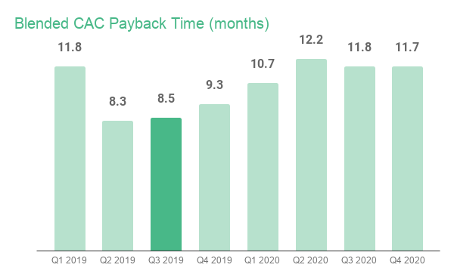

Dashboard
Last but not least, a financial model dashboard is a great place to review the most important areas of your business on a monthly basis. The goal is to include several high-level tables and charts, which enable you to do deeper dives into the drivers of your business. It will also help you spot any potential problem areas.
Personally, I prefer starting my monthly review by looking at a financial summary table, like this:
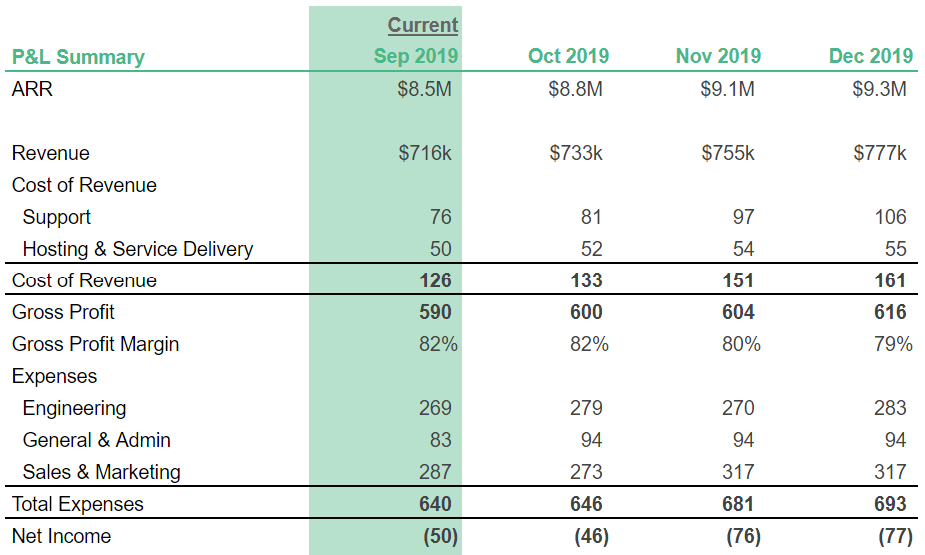

You should include the most recent month, and either a few forward-looking months or perhaps a forecast to actuals comparison. Profit and Loss tells you only so much, so I also include a summary of Cash Flows and Bank Balance.

Next, decide which charts you want to look at. I tend to include one each for Revenue, Bank Balance, Expense Breakdown and Cash Flows, sometimes metrics as well.
While you could pull these charts directly from other tabs or the Operating Model, I recommend creating another reporting model called Chartbuilding. This makes it easy to quickly create and update charts, without having to worry about something breaks in the model.
Name the data ranges you want to look at, and pull them into the Chartbuilding tab. This could be metrics, revenue, accounts from the Operating Model—anything at all that lives inside your financial model.

Most startups I’ve seen often get at least some of this wrong, particularly if they are doing around $100k in MRR or less. As a result, we typically spend the first couple of weeks with a new startup helping their bookkeeper to re-categorize their expenses before we can even begin forecasting or calculating metrics.
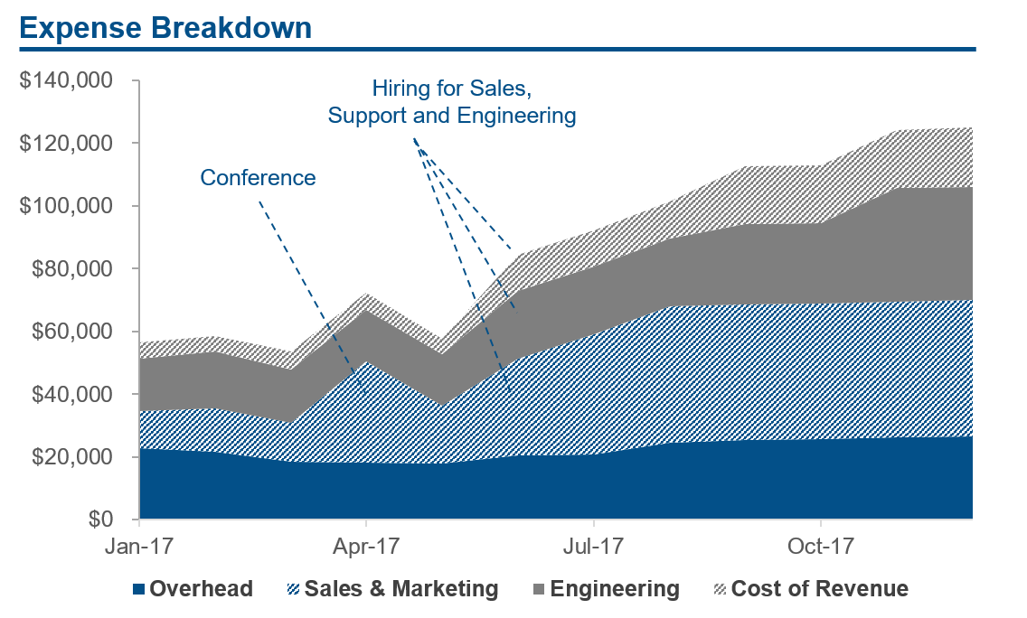

In this post, we’re going to set up your accounting to use four typical categories — accounts —that will fit the use case of most small to medium SaaS startups. The main accounts are:
Cost of Revenue
Sales & Marketing
Engineering (R&D)
General & Admin (Overhead)

Recurring Revenue Model
I have two tabs to forecast your recurring revenue. It includes common inputs such as new customer acquisition, customer churn, revenue expansion, related MRR/ARR revenue stats, and inputs to drive your professional services revenue. If you are an existing SaaS business, you can also enter your starting customer and MRR/ARR balances.
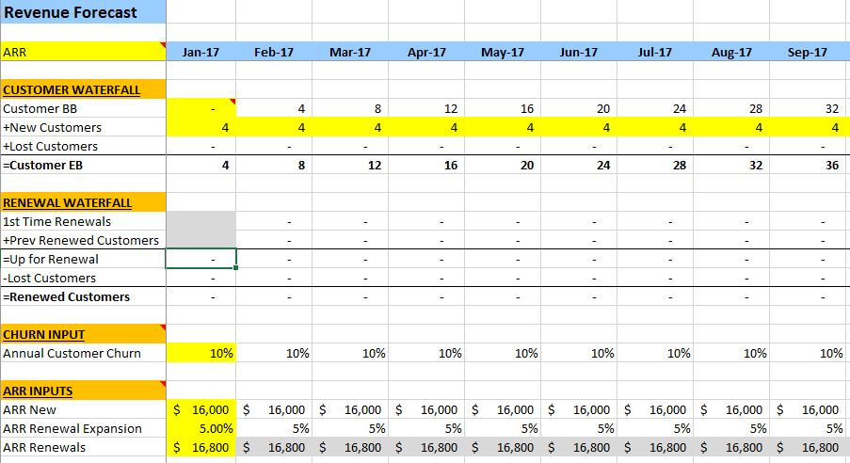

Recurring Revenue Model
Headcount Forecast Model
Operating Expense Model
SaaS P&L Template
Summary
The model includes the following tabs to drive the forecast.
Revenue Tab
Inputs on customer counts, ARR, churn, etc.
Headcount Tab
Detailed model to forecast wages by position including start and end dates and benefits/taxes.
Non-wage Tab
Inputs by department to model non-headcount expenses. Includes formulas to help you easily spread expenses over specific time periods. I try to avoid hardcoding at all costs.
CapEx Tab
Input capital project details which will flow into the unlevered free cash flow section.
Controls Tab
Global controls tab for inputs such as model start date, tax rate, etc.
Instructions Tab
I have step-by-step instructions including links to each part of the model where you need to enter your assumptions. I will avoid boring you in this post with all of the how-to’s.

